Лист1
Created by Aryna Shyla

Bug name | Bug ID | Area path | Severity | Priority | Status | Desription | Steps to Reproduce | Expected result | Actual result | OS
App crash on clicking "End test" button while solving test | 1 | My cources > course X > test activity | critical | high | active | after solving the test click on "end test" button and then app crashes | 1. log in in moodle bseu 2. choose a course with test 3. choose the answers 4. click on "end test" button 5. go to the page with results | 1. user is logged in 2. page with course is opened 3. test is solved 4. it goes to the page with results 5. user is returned to the main page | 1. user is logged in 2. page with course is opened 3. test is solved 4. app crashes 5. the results of test are not saved | windows 10, 7
App crash during the video conferenсe | 1 | My cources > course X > videoconference | critical | high | active | after some time user becomes inactive during the videoconference and then app crashes | pre-condition: user is logged in 1. choose a course 2. join the videocoference | 1. course is choosen 2. videoconference is started 3. in the end of conference button "leave the conference" is clicked 4. it goes to te main page | 1. course is choosen 2. user has joinde the conference 3. after some time app crashes | windows 10, 7
Auto photo rotate | 1 | couse x > activity > attach the files | major | high | active | while attaching the photo it gets rotated and thats why it cannot be attached (it must be attached vertical, not horizontal) | pre-condition: user is logged in 1. choose a course 2. choose activity 3. attach the photo 4. click on "save" button | 1. course is choosen 2. activity is opened 3. the button "attachments" is clicked 4. the window to download the photo is opened 5. photo is choosen and attached without any rotation changes 6. changes are saved | 1. course is choosen 2. activity is opened 3. the button "attachments" is clicked 4. the window to download the photo is opened 5. photo is choosen and attached horizontally 6. it shows error message | windows 10, 7
Activities from the other student groups in calendar | 1 | main page > calendar | trivial | low | active | in calendar of user can be found an activity from other student group | pre-condition: user is logged in, and he has 2 activities on monday 1. calendar is opened on monday x | 1. calendar is opened on monday x 2. there's only 2 activities | 1. calendar is opened on monday x 2. there's 2 activities from one group and two more from another | windows 10, 7
Response in the form of attendance control | 1 | course x > attendance control form | major | medium | active | when user tries to send the answear to form app gives error | pre-condition: user is logged in 1. open activity 2. open the form 3. choose the answers 4. send the answer | 1. activity is opened 2. form is opened 3. answers are choosen 4. answer has been sent | 1. activity is opened 2. form is opened 3. answers are choosen 4. answer has'nt been sent - error message | windows 10,7
Files cannot be attached | 1 | course x > activity > attach the file | critical | high | active | when user tries to attach some files app shows an error message | pre-condition: user is logged in 1. choose activity 2. click on the "attachments" button 3. attach the files 4. press "save" button | 1. activity is choosen 2. "attachments" button is clicked 3. files are choosen and attached 4.all the changes are saved | 1. activity is choosen 2. "attachments" button is clicked 3. files are choosen but not attached 4.error message | windows 10, 7
Log in fail | 1 | Log in page | blocker | high | active | user cannot log in with valid credentials because of failed connection to database | 1. enter the valid credentials 2. click "log in" button | 1. the valid credentials are entered 2. "log in" button is clicked 3. user is logged in | 1. the valid credentials are entered 2. log in button is clicked 3. watch the screenshot 1 > | windows 10, 7, iOS | 1
The task is overdue although it was submitted on time | 1 | course x > activity > the state of answer | minor | low | active | despite the fact that the user attached the task and submitted it on time, it shows a message about the overdue task | pre-condition: user is logged in, the task was submitted on time 1. user opens the activity 2. he attachs the file 3. it shows that the task was submitted | 1. activity is opened 2. attachments are submitted 3. it shows the remaining time until the deadline | 1. activity is opened 2. attachments are submitted watch the screenshot 2 > | windows 10, 7

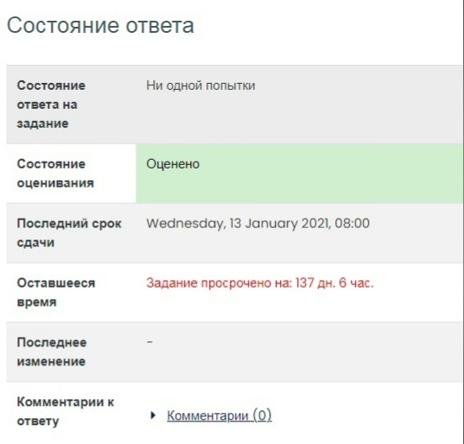
 |  |  |  |  |  |  |  |  |  |  | 2

